Time Awareness
Time awareness activity
Instructions:
1) list all the things you would like to do over the course of one working week
2) determine how frequently you will do each activity (daily or weekly)
3) log your progress on the "weekly tracking" sheet
Notes:
- 1 unit is approximately 1 hour or less of time.
- this is based on a working week (5 days), not a full 7 day week

 |  |  |  |  |  |  |  | Measuring Progress
 |  |  |  |  |  |  |  | 1000 | hrs | = | competence
 |  |  |  |  |  |  |  | 2000 | hrs | = | master
 |  |  | = | Calculated/do not edit |  |  |  | 10000 | hrs | = | expert
 |  |  | = | Input cell
 |  |  | = | Key |  |  |  | Totals | 1 mo = 4.3 wks
 |  |  |  |  |  |  |  | Per Month | Per Year | Years to Competence | Years to Master | Years to Expert
Activity | Per day | Per working week | Total per working week | Primary Purpose | Secondary Purpose | Tertiary Purpose
Teaching |  | 5 | 5 | Job | Business |  |  | 22 | 258 | 3.9 | 7.8 | 38.8
Cook | 2 |  | 10 | Health | Upkeep |  |  | 43 | 516 | 1.9 | 3.9 | 19.4
Friends/Family |  | 8 | 8 | Me | Health |  |  | 34 | 413 | 2.4 | 4.8 | 24.2
Business Development |  | 6 | 6 | Business | Learning | Hobby |  | 26 | 310 | 3.2 | 6.5 | 32.3
Create Content |  | 6 | 6 | Business | Job | Hobby |  | 26 | 310 | 3.2 | 6.5 | 32.3
Chores |  | 5 | 5 | Upkeep |  |  |  | 22 | 258 | 3.9 | 7.8 | 38.8
Journal | 1 |  | 5 | Me |  |  |  | 22 | 258 | 3.9 | 7.8 | 38.8
Read/Audiobook | 1 |  | 5 | Learning | Me |  |  | 22 | 258 | 3.9 | 7.8 | 38.8
Rings/stretching/light exercises |  | 6 | 6 | Health |  |  |  | 26 | 310 | 3.2 | 6.5 | 32.3
Marketing |  | 3 | 3 | Business | Job |  |  | 13 | 155 | 6.5 | 12.9 | 64.6
Networking |  | 3 | 3 | Business | Job | Hobby |  | 13 | 155 | 6.5 | 12.9 | 64.6
Games |  | 4 | 4 | Me | Hobby |  |  | 17 | 206 | 4.8 | 9.7 | 48.4
Intense Exercise |  | 2 | 2 | Health |  |  |  | 9 | 103 | 9.7 | 19.4 | 96.9
Romanian Practice |  | 1 | 1 | Learning |  |  |  | 4 | 52 | 19.4 | 38.8 | 193.8
Other jobs |  | 3 | 3 | Job |  |  |  | 13 | 155 | 6.5 | 12.9 | 64.6
Upkeep (redundant, use chores) |  | 0 | 0 | Upkeep |  |  |  | 0 | 0 | #DIV/0! | #DIV/0! | #DIV/0!
Learning | 1 |  | 5 | Learning |  |  |  | 22 | 258 | 3.9 | 7.8 | 38.8
Meditate / Breathe | 1 |  | 5 | Health | Upkeep | Me |  | 22 | 258 | 3.9 | 7.8 | 38.8
Art |  | 2 | 2 | Health |  |  |  | 9 | 103 | 9.7 | 19.4 | 96.9
 |  |  | 0 |  |  |  |  | 0 | 0 | #DIV/0! | #DIV/0! | #DIV/0!
 |  |  | 0 |  |  |  |  | 0 | 0 | #DIV/0! | #DIV/0! | #DIV/0!
 |  |  | 0 |  |  |  |  | 0 | 0 | #DIV/0! | #DIV/0! | #DIV/0!
 |  |  | 0 |  |  |  |  | 0 | 0 | #DIV/0! | #DIV/0! | #DIV/0!
 |  |  | 0 |  |  |  |  | 0 | 0 | #DIV/0! | #DIV/0! | #DIV/0!
 |  |  | #VALUE! |  |  |  |  | #VALUE! | #VALUE! | #VALUE! | #VALUE! | #VALUE!
 |  |  | 0 |  |  |  |  | 0 | 0 | #DIV/0! | #DIV/0! | #DIV/0!
 |  |  | 0 |  |  |  |  | 0 | 0 | #DIV/0! | #DIV/0! | #DIV/0!

Totals | 6 | 54 | #VALUE! | Activities | Definitions |  | Examples
Total available time (with sleep 8hrs) | 16 |  | 80 | Job | time invested is directly correlated with income, requires active investment of time |  | teacher, taxi driver, barista
Flex Time | 10 |  | #VALUE! | Business | time invested is not directly correlated with income, can lead to passive and/or exponential income |  | an application, Youtube channel, Podcast, dropshipping, coliving business
 |  |  |  | Upkeep | maintanence |  | grocery shopping, repairs, management, cleaning, personal hygiene
Notes: changed rings/stretching from 3 to 8 |  |  |  | Health | physical/mental wellbeing |  | exercising, diet management
 |  |  |  | Me | things that don't bring much inherit value |  | family, journaling, games, entertainment, browsing social media
 |  |  |  | Hobby | things you enjoy doing |  | sports, playing an instrument, cooking
 |  |  |  | Learning | gaining new skills, honing current skills, expanding your understanding |  | reading, lessons, doing something new, podcasts, audio books, educational videos

Weighted activity distribution | Job | Business | Upkeep | Health | Me | Hobby | Learning | Sleep | Total | Total including sleep
Primary Purpose | 8 | 18 | 5 | 25 | 17 | 0 | 11 |  | 84
Secondary Purpose (*.5) | 6 | 2.5 | 7.5 | 4 | 2.5 | 2 | 3 |  | 27.5
Tertiary Purpose (*.3) | 0 | 0 | 0 | 0 | 1.5 | 4.5 | 0 |  | 6
Unweighted totals | 20 | 23 | 20 | 33 | 27 | 19 | 17

Percentage of total activities | 10% | 21% | 6% | 30% | 20% | 0% | 13% |  | 100%
 | 22% | 9% | 27% | 15% | 9% | 7% | 11% |  | 100%
 | 0% | 0% | 0% | 0% | 25% | 75% | 0% |  | 100%

Total Sum | 14 | 20.5 | 12.5 | 29 | 21 | 6.5 | 14 | 40 | 117.5 | 157.5
Percentage of Total Sum | 12% | 17% | 11% | 25% | 18% | 6% | 12% |  | 100%
 | Job | Business | Upkeep | Health | Me | Hobby | Learning | Sleep
Including sleep | 9% | 13% | 8% | 18% | 13% | 4% | 9% | 25%
Primary Activity Distribution
Total Weighted Sum Activity Distribution
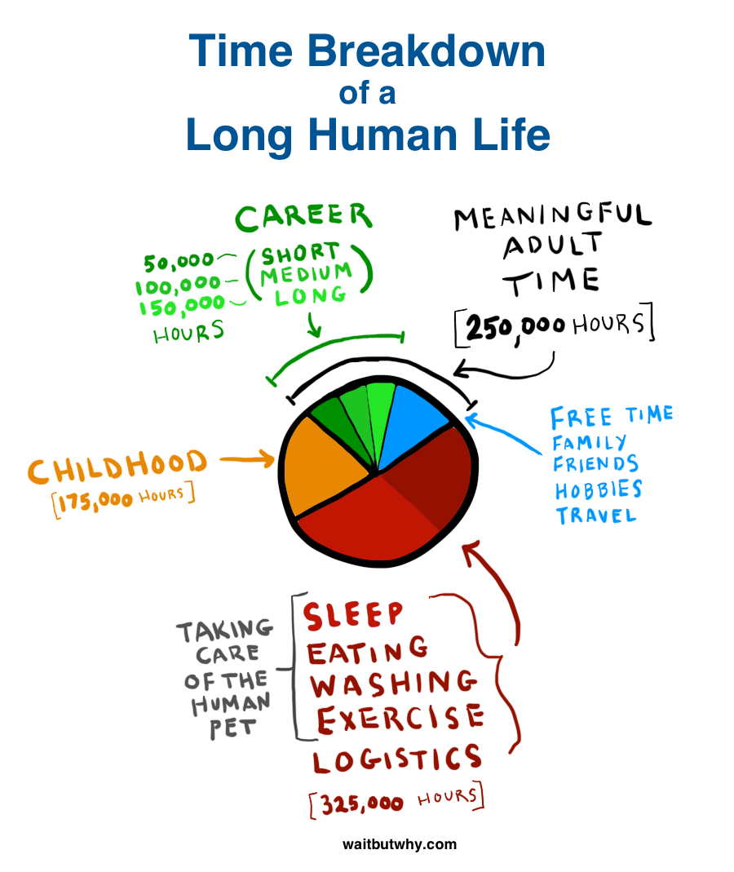

Total Weighted Sum Activity Distribution Including Sleep

2022 Sep 25th
Instructions:
1) verify that activies carried over from "time awareness" sheet
2) select the weekday
3) log your progress as you complete these tasks throughout your day
Notes:
- Changing filters on "time awareness" sheet will break the goal tracking. You can change the amount but not the order. If you wish to change the order, do so at the beginning of each week.
To Do:
Make macro to run weekly and log data for future analysis. It should ask user to make notes for the week and re-assess where there efforts went and what changes should be made for the next week. Figure out a way so that if you filter on time awareness sheet it updates here too.
 |  |  |  |  |  |  |  |  |  |  |  |  |  |  | also add: opposite color for things you want to minimize like games
 |  |  |  |  |  |  |  |  |  |  |  |  |  |  | add: pie chart for each day not by activity but purpose
Select the weekday
Wednesday |  |  |  |  |  |  |  |  |  |  |  |  |  |  | make it so that previous weeks remain the same and that when you change your goals it'll only effect future sheets

 | Goals Per |  | make it so that you can choose which day the week starts on |  |  |  |  |  |  |  | To Meet Weekly Goal
Activity | Day | Week | Sunday | Monday | Tuesday | Wednesday | Thursday | Friday | Saturday | put activity here too | Progress | Remaining | make sortable by goal columns

Teaching | 0 | 5 |  |  | 1 | 1 |  |  |  |  | 2 | 3 | 40%
Cook | 2 | 0 |  |  |  | 1 |  |  |  |  | 1 | 9 | 10%
Friends/Family | 0 | 8 |  |  | 3 | 1 |  |  |  |  | 4 | 4 | 50%
Business Development | 0 | 6 |  | 3 | 2 | 1 |  |  |  |  | 6 | 0 | 100%
Create Content | 0 | 6 |  | 1 | 2 |  |  |  |  |  | 3 | 3 | 50%
Chores | 0 | 5 |  | 1 |  |  |  |  |  |  | 1 | 4 | 20%
Journal | 1 | 0 |  | 1 | 1 | 1 |  |  |  |  | 3 | 2 | 60%
Read/Audiobook | 1 | 0 |  | 1 |  |  |  |  |  |  | 1 | 4 | 20%
Rings/stretching/light exercises | 0 | 6 |  |  |  |  |  |  |  |  | 0 | 6 | 0%
Marketing | 0 | 3 | 1 |  |  |  |  |  |  |  | 1 | 2 | 33%
Networking | 0 | 3 |  |  | 2 |  |  |  |  |  | 2 | 1 | 67%
Games | 0 | 4 |  |  | 1 | 1 |  |  |  |  | 2 | 2 | 50%
Intense Exercise | 0 | 2 |  |  |  |  |  |  |  |  | 0 | 2 | 0%
Romanian Practice | 0 | 1 |  |  |  |  |  |  |  |  | 0 | 1 | 0%
Other jobs | 0 | 3 |  |  |  |  |  |  |  |  | 0 | -2 | 0%
Learning | 1 | 0 |  |  |  |  |  |  |  |  | 0 | 5 | 0% | add if error
Meditate / Breathe | 1 | 0 |  |  |  |  |  |  |  |  | 0 | 5 | 0%
Art | 0 | 2 |  |  |  |  |  |  |  |  | 0 | 2 | 0%
 | 0 | 0 |  |  |  |  |  |  |  |  | 0 | 0 | #DIV/0!
 | 0 | 0 |  |  |  |  |  |  |  |  | 0 | 0 | #DIV/0!
 | 0 | 0 |  |  |  |  |  |  |  |  | 0 | 0 | #DIV/0!
 | 0 | 0 |  |  |  |  |  |  |  |  | 0 | 0 | #DIV/0!
 | 0 | 0 |  |  |  |  |  |  |  |  | 0 | 0 | #DIV/0!
 | 0 | 0 |  |  |  |  |  |  |  |  | 0 | 0 | #DIV/0!
 | 0 | 0 |  |  |  |  |  |  |  |  | 0 | 0 | #DIV/0!
 | 0 | 0 |  |  |  |  |  |  |  |  | 0 | 0 | #DIV/0!
 |  |  | 1 | 7 | 12 | 6 | 0 | 0 | 0 |  | 26

allow the user to add or remove rows
add meditation or other activities

entertainment?

extend number of rows

Notes and feedback with Bianca
Instructions:
1) verify that activies carried over from "time awareness" sheet
2) select the weekday
3) log your progress as you complete these tasks throughout your day
Notes:
- Changing filters on "time awareness" sheet will break the goal tracking. You can change the amount but not the order. If you wish to change the order, do so at the beginning of each week.
To Do:
Make macro to run weekly and log data for future analysis. It should ask user to make notes for the week and re-assess where there efforts went and what changes should be made for the next week. Figure out a way so that if you filter on time awareness sheet it updates here too.

Select the weekday
Wednesday

Selecting the day changes sheet to only show that day
 | make it so that you can choose which day the week starts on |  |  |  |  |  |  |  | To Meet Weekly Goal |  |  |  | also add: opposite color for things you want to minimize like games
Activity | Sunday | Monday | Tuesday | Wednesday | Thursday | Friday | Saturday | put activity here too | Progress | Remaining | make sortable by goal columns |  | add: pie chart for each day not by activity but purpose

Teaching |  | 2 | 4 | 1 |  |  |  |  | 7 | -2 | 140% |  | make it so that previous weeks remain the same Anna that when you change your goals it'll only effect future sheets
Cook | 1 | 1 | 2 | 3 |  |  |  |  | 7 | 3 | 70%
Friends/Family | 2 |  |  | 2 |  |  |  |  | 4 | 4 | 50%
Business Development |  | 2 | 1 |  |  |  |  |  | 3 | 3 | 50%
Create Content |  |  |  |  |  |  |  |  | 0 | 6 | 0% | 0 should be white, 100 should be darkest green
Chores |  |  |  |  |  |  |  |  | 0 | 5 | 0%
Journal |  | 1 | 1 | 1 |  |  |  |  | 3 | 2 | 60%
Read/Audiobook |  |  |  |  |  |  |  |  | 0 | 5 | 0%
Rings/stretching/light exercises | 1 | 1 | 1 |  |  |  |  |  | 3 | 3 | 50%
Marketing |  | 1 | 1 |  |  |  |  |  | 2 | 1 | 67%
Networking |  |  |  |  |  |  |  |  | 0 | 3 | 0%
Games |  | 2 |  |  |  |  |  |  | 2 | 2 | 50%
Intense Exercise |  |  | 1 |  |  |  |  |  | 1 | 1 | 50%
Romanian Practice |  |  |  |  |  |  |  |  | 0 | 1 | 0%
Other jobs |  |  |  |  |  |  |  |  | 0 | 3 | 0%
Upkeep (redundant, use chores) |  | 1 |  |  |  |  |  |  | 1 | -1 | #DIV/0!
Learning |  |  |  |  |  |  |  |  | 0 | 5 | 0% | add if error
 | 4 | 11 | 11 | 7 | 0 | 0 | 0 |  | 33

allow the user to add or remove rows
add meditation or other activities

entertainment?

extend number of rows

Comments from meeting with Bianca
Column should only show day. rather than whole week. App should auto detect day of week and change accordingly. Drop down menu with day/week view. App should be able to set reminders for each activity at a certain time. App should allow for a widget like google cal widget(s).

